Security Health Model
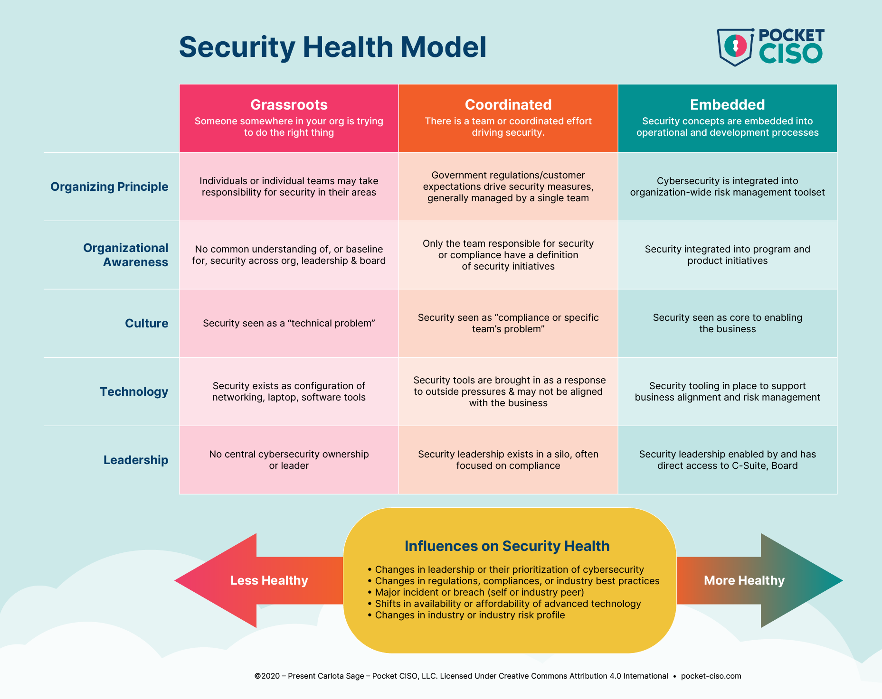

NOTE: The target level for most SMB organizations is “Coordinated.” The Embedded level requires heavy investment in tooling that most SMBs cannot afford; I only expect Enterprise and high value startups/SMBs to be targeting that level.

Health Assessment Domains
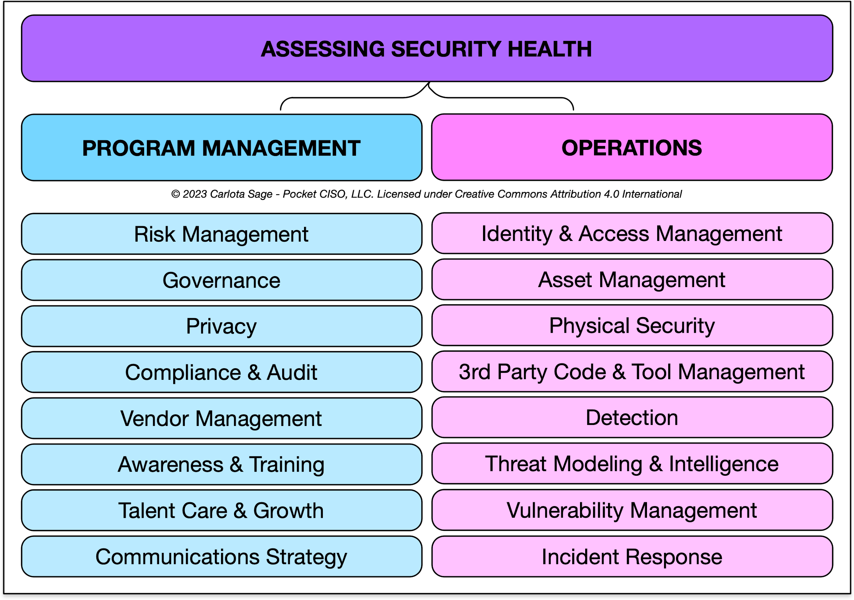

Metrics Explained
1
3
5
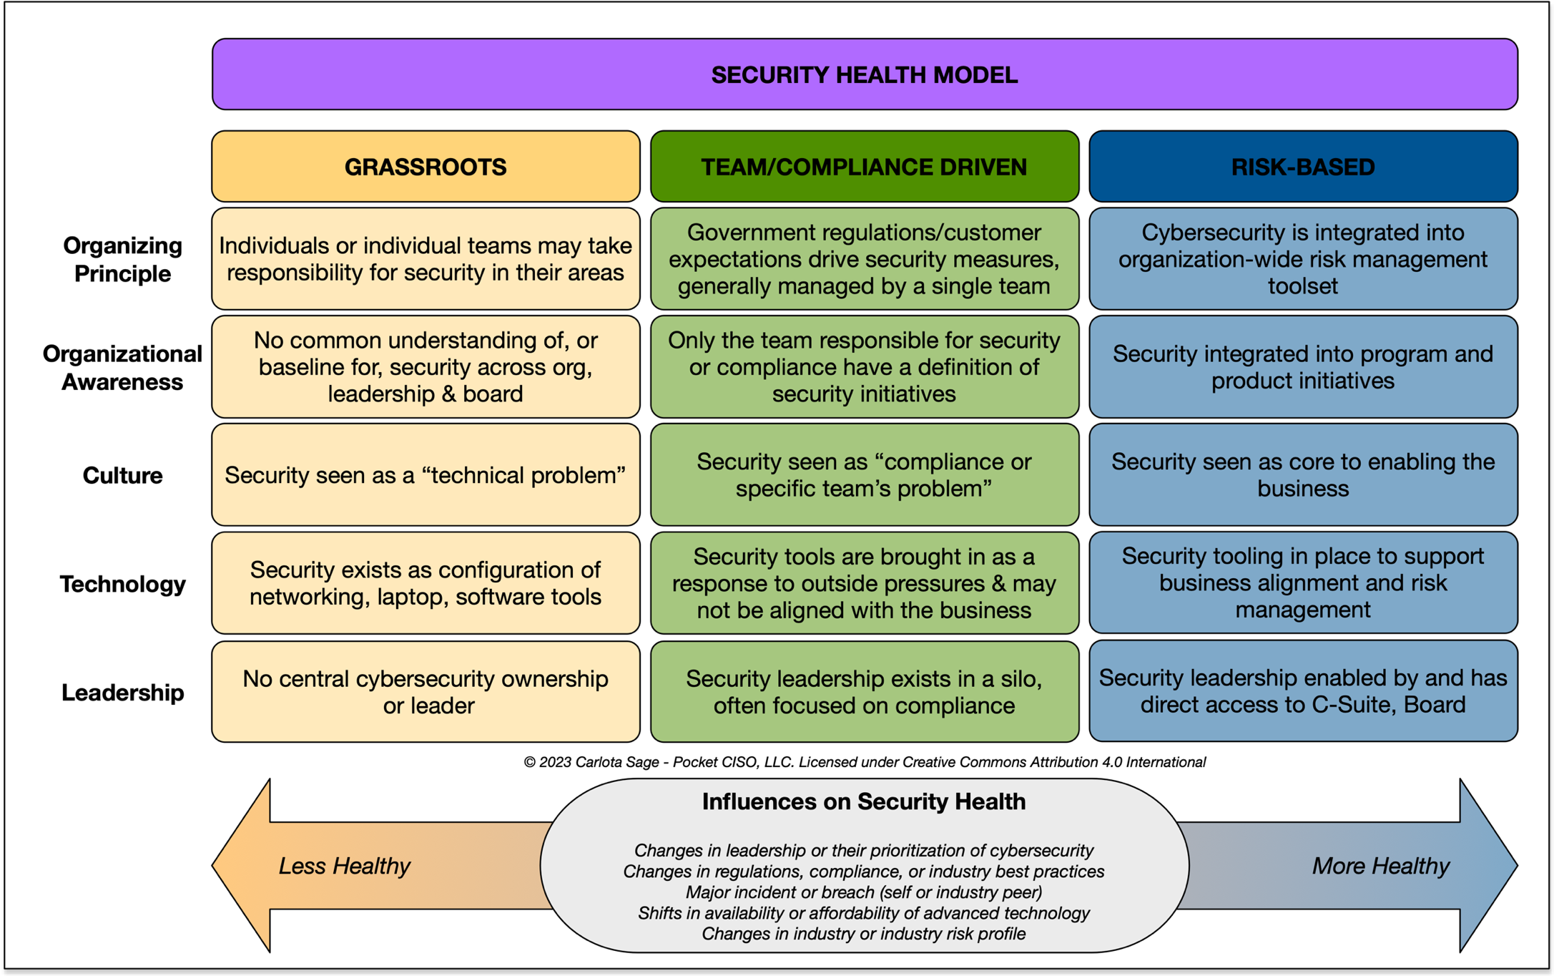 |  | Smaller organizations or organizations just starting their security journey can use the following domains to establish metrixs: rate each domain on a 1-5 scale (see Legend). Note that I only expect an organization without a full security team to reach a 3; 4 and 5 require significant investment in security tooling. Larger organizations may want to break these domains into subdomains, or map other existing metrics/frameworks into these domains before presenting to non-security leadership.

LEGEND TRANSLATION
1 [Grassroots] | We sometimes/can do this: Information security basics are not performed, or are performed inconsistently.
2 [Evolving] | We do this and it's repeatable: Information security efforts lack structure and organization. Even if processes are well defined, they are generally poorly documented. Successful efforts are localized and unlikely to be repeatable or scalable.
3 [Team or Compliance-driven] | It's repeatable AND documented: Information security has basic structure, documentation and project management; there is organization-wide oversight/insight even if scalability is an issue. Security likely be driven by compliance/regulation rather than an understanding of risk management.
4 [Risk-Based] | It's repeatable, documented AND scalable: Processes are well-defined, well-documented, repeatable and scalable, incorporating data analytics for insights. Information security is a risk management tool rather than a compliance tool.
5 [Risk-Based, Optimized] | It operates at scale and gives immediate, actionable insights: Information Security has the program maturity and technology needed to provide near real-time insights to executive team and business units. Focus is on process optimization for entire organization, not just security.

Health Assessment Metrics
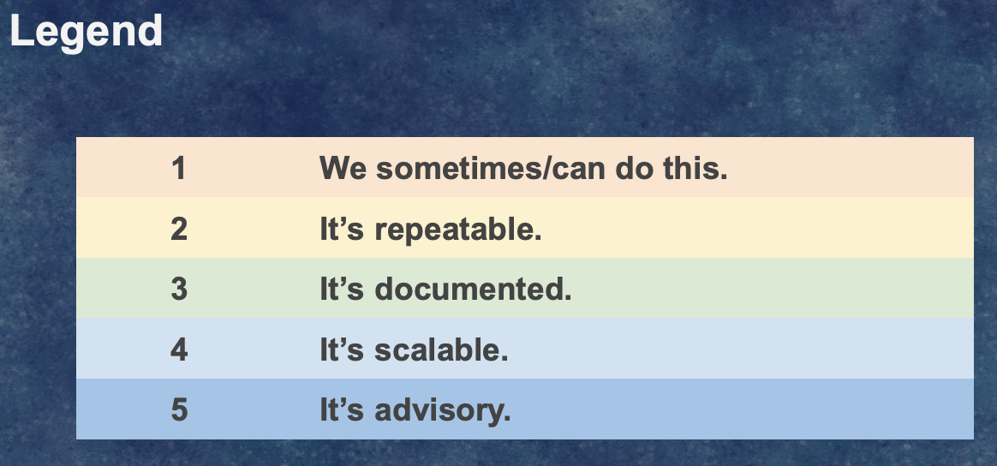

Domain | Domain Description | High Level Assessment | IT Ops | Product/ Service 1 | Product/ Service 2 | ISO 27001 Alignment
Cybersecurity Program Management
Risk Management | How the organization overall assesses and manages risk, and how cybersecurity supports/fits into organizational risk management | The organization has a defined risk management strategy and the cybersecurity strategy aligns to it. The cybersecurity strategy supports the overall organizational mission and strategic initiatives. | 0 | 0 | 0 | 5.2 5.3 5.37 8.32 5.29
Governance | The policies and functional guidelines governing the organization's business practices, and how cybersecurity supports them. | The organization has policies tailored specifically to its environment and business operations. At a minimum, this includes Business Continuity, Disaster Recovery, Acceptable Use, Information Security, Incident Response and Vendor Management policies. | 0 | 0 | 0 | 5.1 5.8 5.37
Privacy | How the organization complies with regulatory requirements and implements best practices for ensuring the privacy of employee and customer information | The organization is aware of privacy laws governing it and the customers it serves. Personally identifiable information (PII) is defined and categorized, and employee responsibilities for handling PII are clearly communicated. There is a clear way for customers, email recipients and website visitors to request their information be removed from the organization's contact databases and other repositories. | 0 | 0 | 0 | 5.34
Compliance & Audit | What the organization needs to know about global, federal, state and local regulations and industry/voluntarily compliance frameworks | The organization is aware of the regulatory, industry-specific and voluntary compliance frameworks to which it is subject. There is a defined compliance program and roadmap. Work support compliance and audits is an acknowledged and integrated part of individual and team workload, minimizing unscheduled compliance or audit related work. | 0 | 0 | 0 | 5.31-5.36 8.8 8.34
Vendor Management | How the organization selects and manages vendors, and what they need to understand about risk introduced by vendor practices and technology | The organization has defined a vendor management policy and program. Vendors and their products are regularly assessed for risk in line with organizational policy, and their potential impact to business continuity, disaster recovery, information security and incident response are known. | 0 | 0 | 0 | 5.19-5.21 5.23 8.30
Awareness & Training | How the organization keeps employees informed and updated on the cybersecurity information they need to best protect themselves and their customers. | The organization has a regular cadence for security awareness and training. Higher risk targets are given additional training tailored to their profile. | 0 | 0 | 0 | 5.4 6.3 8.28
Talent Care and Growth | How the organization ensures its team members stay mentally and emotionally healthy while growing their skillset. A healthy culture is a more secure one. | The organization fosters a healthy culture, offering support for personal and professional development and to prevent employee burn-out. | 0 | 0 | 0 | 6.1-6.2 6.4-6.8
Communication and Change Management | How an organization communicates its cybersecurity strategy to partners, prospects, customers and the public at large. | The organization has a process for when and how to communicate incidents both interally and externally. | 0 | 0 | 0 | 5.5 5.6
Cybersecurity Operations
Identity & Access Management | How employee, developer, partner and customer IDs are created, managed and reviewed. | The organization has an established process for creating identities, providing access to resources, and reviewing access on a regular basis. | 0 | 0 | 0 | 6.7 8.1 5.15-5.18 8.2-8.5, 8.18
Asset Management | How an organization creates, takes in, discovers, manages and protects hardware, software, data, and internally-developed tooling | The organization has or can quickly generate an inventory of physical and digital assets. Digital assets are classified and handled in accordance with data classification, handling and privacy policies. | 0 | 0 | 0 | 5.8-5.13 7.10, 8.6 8.9-8.14, 8.19 8.24-8.27 8.29-8.33
Physical Security | How an organization protects physical locations and high value personnel. | The organization has a documented and shared disaster recovery policy. Physical locations are assessed and audited yearly by a third party or security professional. | 0 | 0 | 0 | 7.1-7.14 8.1
Third Party Code & Tool Management | How an organization manages, tracks, updates, and secures code and tools not developed internally | The organization has an established process for evaluating third party code and APIs they do not own or control. An inventory of open source code, third party code, and APIs used in the IT environment, production environment or embedded in a software/firmware/hardware product is available or can be quickly generated. | 0 | 0 | 0 | 5.22-5.23 8.18
Detection | How an organization monitors assets, environments and vendors or 3rd parties for authorized and unauthoried access or potentially malicious behavior. | The organization monitors its cloud and on-prem environments, maintaining access, activity and other logs for a defined period of time. In healthier environments, logs do not contain sensitive information and are resistent to tampering. | 0 | 0 | 0 | 5.14, 6.6 8.7, 8.15-8.17 8.20-8.23
Threat Modeling and Intelligence | How an orgnaization takes in information about potential threats to itself, its industry or its customers. | The organization understands its attack surface and actively manages it. | 0 | 0 | 0 | 5.7
Vulnerability Management | How an organization identifies and remediates known vulnerabilities in its environments and products, and how it mitigates potential/undiscovered vulnerabilities | The organization regularly reviews operating systems, applications and cloud services for misconfigurations, updates, or known issues that may allow attackers access to these resources. | 0 | 0 | 0 | 8.8 8.19
Incident Response | How an organization prepares for, responds to, and learns from a perceived or actual cybersecurity threat to its environment | The organization has a process for escalating, resolving, and reporting on security issues. Designated resources are regularly trained and procedure guides/playbooks are regularly updated. | 0 | 0 | 0 | 5.24-5.30

Example Health Assessment
This is how a typical Health Assessment for a sub-250 person organization without a formal security or compliance program might look. This can be used as a set of metrics to report to leadership; mapped over time, this can demonstrate the health of your security program in response to the changes made in the organization and environment.
 | IT Ops | Product/ Service 1 | Product/ Service 2 |  | IT Ops | Product/ Service 1 | Product/ Service 2
Cybersecurity Program Management |  |  |  | Cybersecurity Operations
Risk Management | 2 | 1 | 1 | Identity & Access Management | 2 | 1 | 1
Governance | 2 | 2 | 2 | Asset Management | 2 | 2 | 2
Privacy | 1 | 1 | 1 | Physical Security | 1 | 1 | 1
Compliance & Audit | 2 | 1 | 1 | Third Party Code & Tool Management | 1 | 1 | 1
Vendor Management | 1 | 1 | 1 | Detection | 1 | 2 | 1
Awareness & Training | 3 | 2 | 2 | Threat Modeling and Intelligence | 2 | 1 | 2
Talent Care and Growth | 3 | 2 | 3 | Vulnerability Management | 3 | 3 | 2
Communication Strategy | 1 | 1 | 1 | Incident Response | 2 | 1 | 1

